Cover
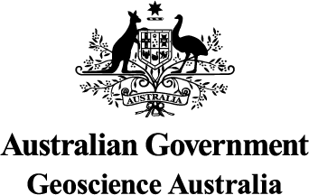

Australia's Energy Commodity Resources: 2023 Edition

2021 Data

© Commonwealth of Australia (Geoscience Australia) 2023.
With the exception of the Commonwealth Coat of Arms and where otherwise noted, this product is provided under a Creative Commons Attribution 4.0 International Licence.
http://creativecommons.org/licenses/by/4.0/legalcode

